BIRKENSTOCK
REFERENCE | DESCRIPTION | PHOTO | RRP | TOT | Break | SIZEBREAKDOWN
 |  |  |  | 452 |  | 36 | 37 | 38 | 39 | 40 | 41 | 42 | 43 | 44 | 45 | 46
1027067 | BOSTON BLACK SL NRRW |  | € 150.00 | 120 |  | 6 | 8 | 15 | 9 | 10 | 18 | 21 | 16 | 11 | 6
660463 | BOSTON MOCCA SFB SL NRRW | 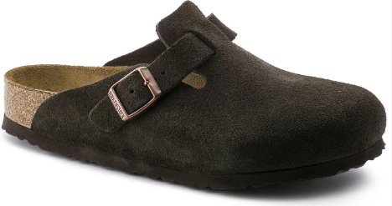 | € 160.00 | 121 |  | 2 | 4 | 12 | 8 | 10 | 18 | 29 | 18 | 12 | 8
1027751 | BOSTON STONE COIN SL NRRW | 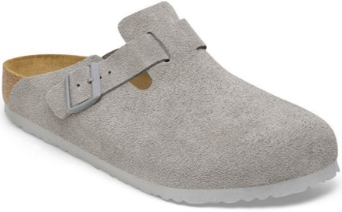 | € 150.00 | 119 |  | 3 | 6 | 12 | 16 | 17 | 19 | 19 | 9 | 11 | 6 | 1
1023263 | BOSTON PINK CLAY SF SUEDE NRRW |  | € 160.00 | 92 |  | 9 | 7 | 19 | 19 | 20 | 18

